1. Title Page
Grocery Basket Analysis

Project Name: Market Analysis
Date: January 2024
Analyst Name: Norberto Romero

Contents:
Population Flow
Consistency checks
Wrangling steps
Column derivations
Visualizations
Recommendations

2. Population Flow
Title page

Population flow

Orders_products_combined
Orders_products_merged
Orders_products_all

Total: 32404859
Total: 32434489
Total: 32404859

1.) The grey boxes in the first row of the population flow represent the original data sets as they were when you downloaded them. In the Total fields you need to add the count of the rows when you imported the data set into Jupyter.
2.) The second row of boxes (coloured) represents the data sets after you manipulated them, e.g., removed missing values and duplicates. In the Total fields you need to add the count of the rows after conducting these operations. This offers a visual oveview of how the data flows throughout the data consistency checks.
3.) The third row, where also the arrows are coloured, represents the merges you performed between the datasets. In the Total fields you need to add the count of the rows in the merged datasets, so that you end up with the final dataset (in the red box). Keep in mind the final dataset should be without exclusions (based on the exclusion flag).

3. Consistency checks
 |  |  |  | Title page
Consistency checks

Dataset | Missing values | Missing values treatment | Duplicates
orders | n/a | n/a | n/a
products | 16 product_name | removed row | 5 - removed
orders_products_prior | n/a | n/a | n/a
customers | n/a | n/a | n/a

4. Wrangling steps
 |  |  |  | Title page
Wrangling steps

Columns dropped | Columns renamed | Columns' type changed | Comment/Reason
eval_set in orders df | 'order_dow' : 'orders_day_of_week' | order_id to str | order_id has no numerical value
_merge from all merged df | 'orders_day_of_week' : 'order_day_of_week' | user_id to str | user_id has no numerical value
 |  | product_name to str | mixed data types in product_name; easier if all str

5. Column derivations
 |  |  |  | Title page

Column derivations and aggregations

Dataset | New column | Column/s it was derived from | Conditions
ords_prods_final | loyalty_flag | max_order | max_order > 40 = loyal; max_order < 10 = new; all others = regular
ords_prods_final | spending_flag | avg_spending | >10 = low ; <10 = high
ords_prods_final | order_frequency_flag | dspo_median | >20 = non-frequent; <10=frequent; all others = regular
ords_prods_final | region | state | if state in region, assign region
ords_prods_final | activity_flag | order_number | if max order_number was < 5 = low-activity
ords_prods_final | age_group | age | age < 30 = young; age > 45 = old-aged; all others ages = middle-aged
ords_prods_final | income_group | income | income < 40k == low; 40k < income < 90k == middle; 90k < income < 125k == upper middle; income >125k == high
ords_prods_final | depend_group | num_depend | num_depend > 0 = parent; no dependents = adult
ords_prods_final | cust_prof | age_group; income_group; depend_group | appended three columns into one
ords_prods_final | has_pets? | department_id | if user purchased any item from department 7, they are identified as having pets
ords_prods_final | has_babies? | department_id | if user purchased any item from department 17, they are identified as having babies
ords_prods_final | drinks_alcohol? | department_id | if user purchased any item from department 4, they are identified as drinking alcohol
ords_prods_final | price_label_loc | prices | Less than 5 = low; greater than 15 = high; all else = mid
ords_prods_final | busiest_day | orders_day_of_week | based on number of orders from each day; Wednesday = least busy; Saturday = most busy; all others = regularly busy

6. Visualizations
 |  |  |  |  |  |  |  |  |  |  | Title page

Visualisations

KQ1: The sales team needs to know what the busiest days of the week and hours of the day are (i.e., the days and times with the most orders) in order to schedule ads at times when there are fewer orders.
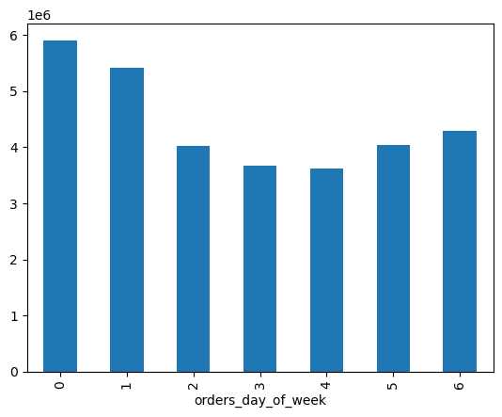 |  |  |  | Busiest Days are 0 and 1. |  | Busiest Hours of the day are 10 and 11 | 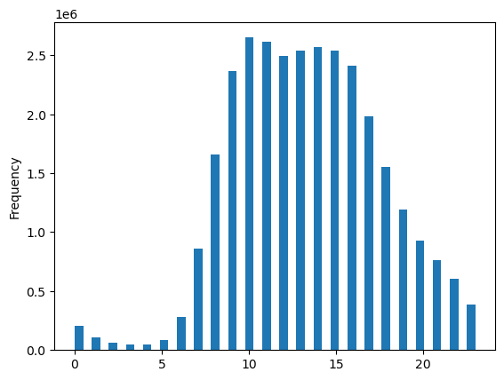
KQ2: They also want to know whether there are particular times of the day when people spend the most money, as this might inform the type of products they advertise at these times.
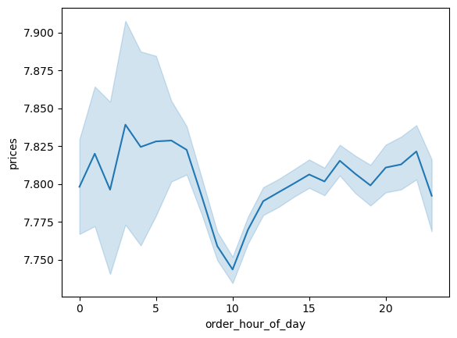 |  |  |  |  |  | Products vary in price the most from 0-6.
KQ3: Instacart has a lot of products with different price tags. Marketing and sales want to use simpler price range groupings to help direct their efforts.
 | Mid-range products dominate sales. | 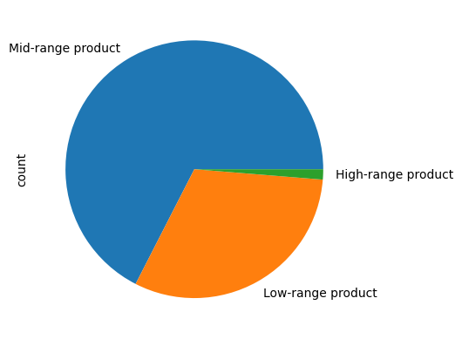
KQ4: Are there certain types of products that are more popular than others? The marketing and sales teams want to know which departments have the highest frequency of product orders.
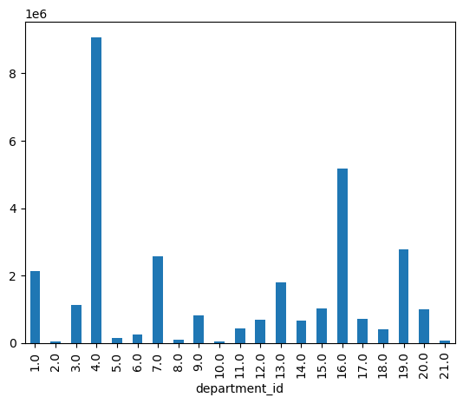 |  |  |  |  | Departments 4 and 16 have the highest frequency of product orders
KQ5: The marketing and sales teams are particularly interested in the different types of customers in their system and how their ordering behaviors differ. For example:
A) What’s the distribution among users in regards to their brand loyalty (i.e., how often do they return to Instacart)?
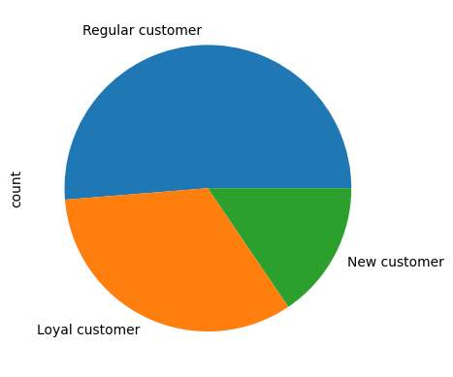 |  |  |  |  | Half of customers show regular usage of the app.
B) Are there differences in ordering habits based on a customer’s loyalty status?
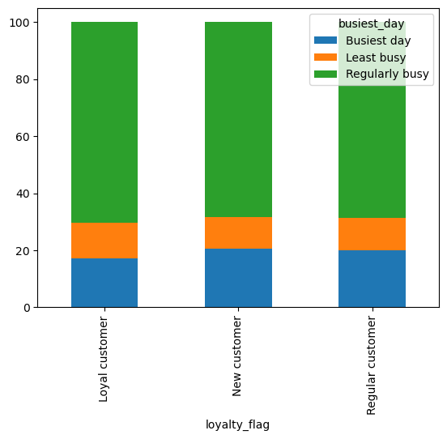 |  |  | little variation on days of order based on loyalty flag |  | least new customer during hours 6 and 7 | 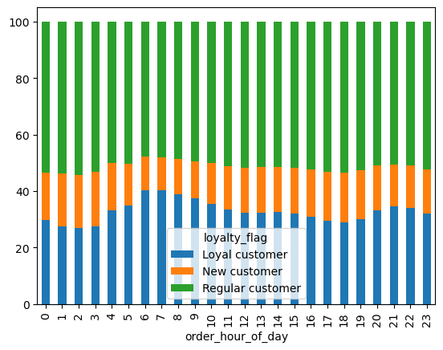 |  |  | loyal customer buy mostly in departments 10 and 18, which are bulk and babies | 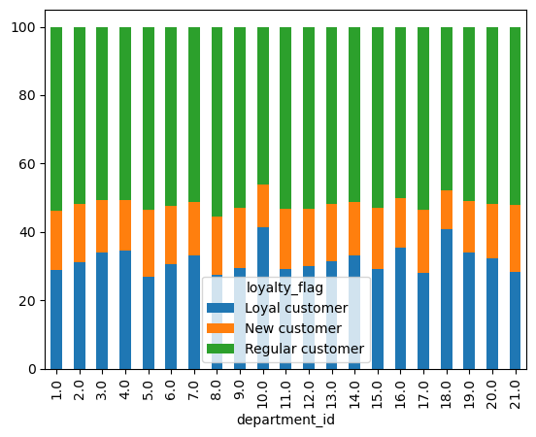
C) Are there differences in ordering habits based on a customer’s region?
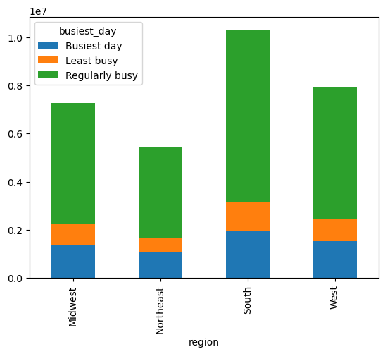 |  |  |  | the South region makes the most orders |  | no differences in ordering habits based on region | 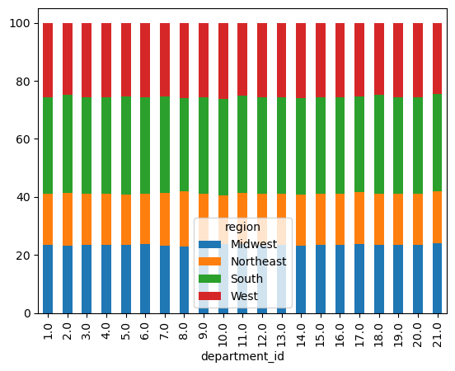
D) Is there a connection between age and family status in terms of ordering habits?
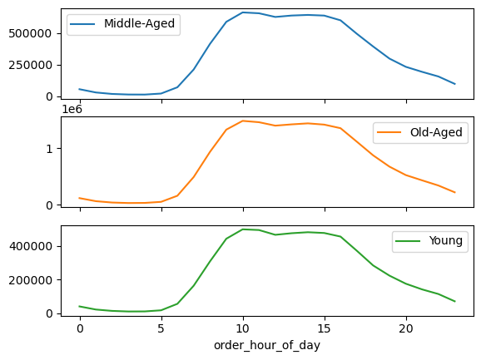 |  |  |  |  |  | age and family status do not impact ordering habits | 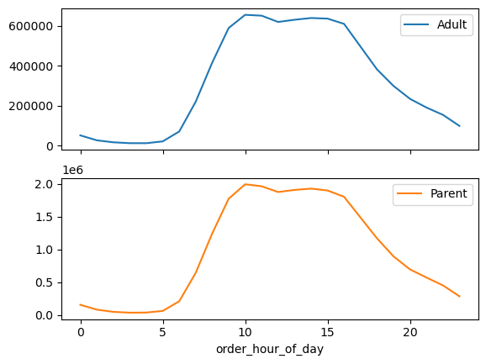
E) What different classifications does the demographic information suggest? Age? Income? Certain types of goods? Family status?
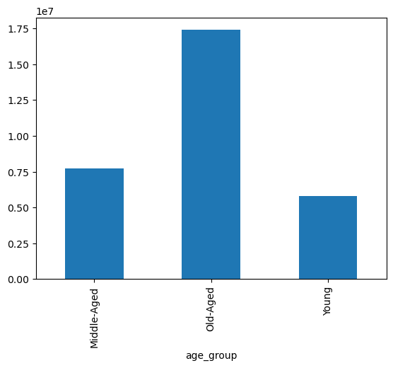 |  |  | Most users are 45+ |  | Lower income users do not frequent the app | 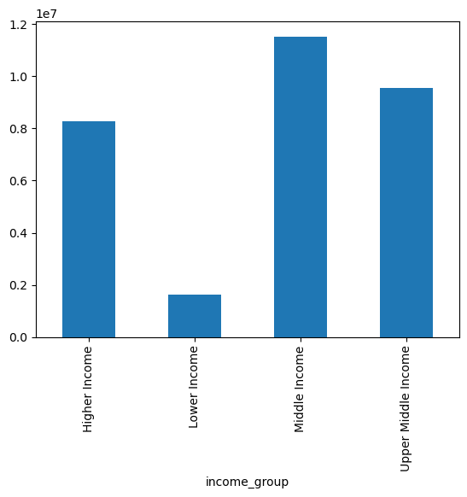 |  | Most of our users have dependents | 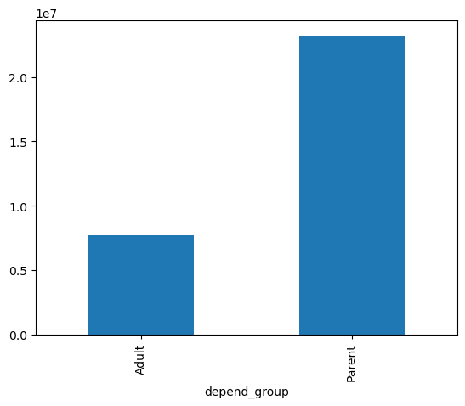 |  |  |  | Our older users have higher income | 
F) What differences can you find in ordering habits of different customer profiles? Consider the price of orders, the frequency of orders, the products customers are ordering, and anything else you can think of.
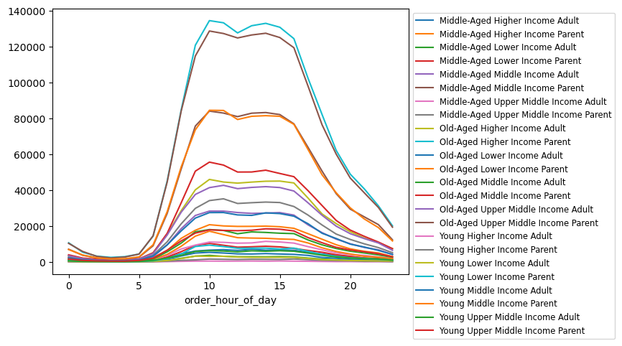 |  |  |  |  |  |  | 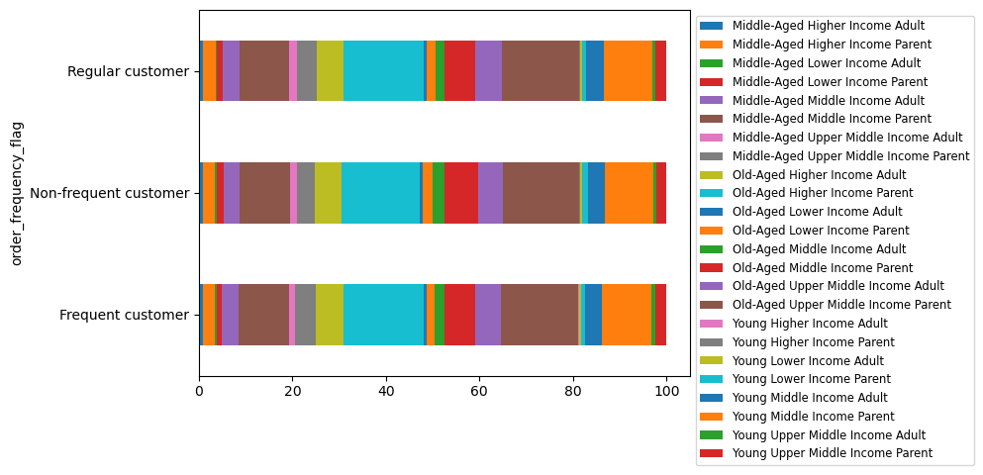 |  |  |  |  | 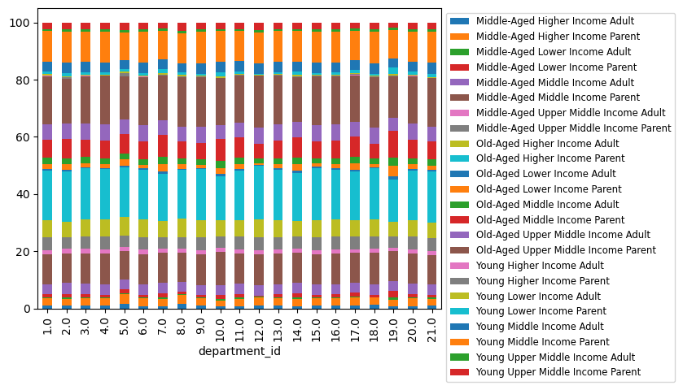

7. Recommendations
 | Title page

Recommendations

KQ1: The sales team needs to know what the busiest days of the week and hours of the day are (i.e., the days and times with the most orders) in order to schedule ads at times when there are fewer orders.
The sales team should schedule ads during hours 0-6 and on days 3-4, as those are the times and days where the least amount of orders are being placed. The sales team should avoid ads, or charge a higher premuim, on day 0 and around hours 10-11. Visualizations on Tab 6 support this.
KQ2: They also want to know whether there are particular times of the day when people spend the most money, as this might inform the type of products they advertise at these times.
Price variation occurs the most during hours 0-6, but those are also the times with the least sales. People spend more on orders as the day goes on, and thus higher-priced items should be advertised later.
KQ3: Instacart has a lot of products with different price tags. Marketing and sales want to use simpler price range groupings to help direct their efforts.
Orders were grouped into three categories based off their price. Mid-range price products account for more than half of the inventory and thus should receive the bulk of attention from marketing and sales. High-range price product account for a very small percentage, with low-priced items filling the rest of inventory. Visualizations on Tab 6 support this.
KQ4: Are there certain types of products that are more popular than others? The marketing and sales teams want to know which departments have the highest frequency of product orders.
The departments with the highest frequency of sale are Produce and Dairy/Eggs. They sell significantly higher thn other departments. Snacks and Beverages are the next two most popular departments, meaning that quick meals are favored on instacart. Visualizations on Tab 6 support this.
KQ5: The marketing and sales teams are particularly interested in the different types of customers in their system and how their ordering behaviors differ. For example:
A) What’s the distribution among users in regards to their brand loyalty (i.e., how often do they return to Instacart)?
Instacart's distribution among users show that 33% of customers show a strong preference to the app. About half of users demonstrate regular usage, and the remaining orders are placed by new customers. Visualizations on Tab 6 support this.
B) Are there differences in ordering habits based on a customer’s loyalty status?
Instacart's most loyal customers seem to show a preference for the Bulk and Babies departments, which suggests that users prefer instacart when making purchases for multiple people. The day of week and time of day for an order is not affected by the customer's loyalty status. Visualizations on Tab 6 support this.
C) Are there differences in ordering habits based on a customer’s region?
States in the South contribute the most to Instacart's orders while the Northeast shows the least popularity. Region did not have any influence on the type of product that customers were ordering which means the same marketing strategy can apply no matter where in the country they are ordering from. Visualizations on Tab 6 support this.
D) Is there a connection between age and family status in terms of ordering habits?
Observing individual trend lines for age groups and ordering habits suggest there is no connection between age and family status in terms of ordering habits. Although different subgroups have a share of the orders, the frequency doesn't change when switching between those groups. Visualizations on Tab 6 support this.
E) What different classifications does the demographic information suggest? Age? Income? Certain types of goods? Family status?
The clearest conclusion from the data is that older customers have a higher income, and also lead to more spending. Most users are parents or place orders for multiple dependants and have a middle to upper middle class income. The combination of age, income, and family status allows us to create 24 distinct classifications. Visualizations on Tab 6 support this.

